1. Title Page
Basket Analysis

Project Name: Instacart Basket Analysis
Date: 9/14/2025
Analyst Name: Stefan Hulaj

Contents:
Population Flow
Consistency checks
Wrangling steps
Column derivations
Visualizations
Recommendations

2. Population Flow
Title page

Population flow

Exclusion flag
Condition: max_order <
Obervations to be removed:
Final total count of order_products_all:

Orders_products_all
Orders_products_combined
Orders_products_merged

Total: 32434212
Total: 32434489
Total: 32434212

1.) The grey boxes in the first row of the population flow represent the original data sets as they were when you downloaded them. In the Total fields you need to add the count of the rows when you imported the data set into Jupyter.
2.) The second row of boxes (coloured) represents the data sets after you manipulated them, e.g., removed missing values and duplicates. In the Total fields you need to add the count of the rows after conducting these operations. This offers a visual oveview of how the data flows throughout the data consistency checks.
3.) The third row, where also the arrows are coloured, represents the merges you performed between the datasets. In the Total fields you need to add the count of the rows in the merged datasets, so that you end up with the final dataset (in the red box). Keep in mind the final dataset should be without exclusions (based on the exclusion flag).

3. Consistency checks
 |  |  |  | Title page
Consistency checks

Dataset | Missing values | Missing values treatment | Duplicates
orders | 206209 null entries in days_since_prior_order column | No removal, report to superiors | 0
products | 16 values missing in product_name | Deleted | 5 duplicates, they were removed
orders_products_prior | 0 | No Missing Values | 0
customers | 0 | No Missing Values | 0

4. Wrangling steps
 |  |  |  | Title page
Wrangling steps

Columns dropped | Columns renamed | Columns' type changed | Comment/Reason
eval_set |  |  | Unneeded for achievement
_merge |  |  | Created when merges took place, Unneeded for achievement
Unnamed:0 |  |  | Placeholder column removed for dataframe clarity
Check |  |  | Placeholder column removed for dataframe clarity
 | First Name |  | Renamed to first_name for column naming consistency
 | Surnam |  | Renamed to surname for column naming consistency
 | Gender |  | Renamed to gender for column naming consistency
 | STATE |  | Renamed to state for column naming consistency
 | Age |  | Renamed to age for column naming consistency
 | n_dependants |  | Renamed to number_dependents for column naming consistency
 |  | user_id | Changed to string as this is descriptive not numerical

5. Column derivations
 |  |  |  | Title page

Column derivations and aggregations

In this tab you should add tables below that the frequences of flags/label variables that you produced after deriving them. NB: don't do this for continuous variables, only for flags.
Dataset | New column | Column/s it was derived from | Conditions
complete_df | region | state | state_to_region = {'Maine' : 'Northeast','New Hampshire' : 'Northeast','Vermont' : 'Northeast','Massachusetts' : 'Northeast','Rhode Island' : 'Northeast','Connecticut' : 'Northeast','New York' : 'Northeast','Pennsylvania' : 'Northeast','New Jersey' : 'Northeast','Wisconsin' : 'Midwest','Michigan' : 'Midwest','Illinois' : 'Midwest','Indiana' : 'Midwest','Ohio' : 'Midwest','North Dakota' : 'Midwest','South Dakota' : 'Midwest','Nebraska' : 'Midwest','Kansas' : 'Midwest','Minnesota' : 'Midwest','Iowa' : 'Midwest','Missouri' : 'Midwest','Delaware' : 'South','Maryland' : 'South','District of Columbia' : 'South','Virginia' : 'South','West Virginia' : 'South','North Carolina' : 'South','South Carolina' : 'South','Georgia' : 'South','Florida' : 'South','Kentucky' : 'South','Tennessee' : 'South','Mississippi' : 'South','Alabama' : 'South','Oklahoma' : 'South','Texas' : 'South','Arkansas' : 'South','Louisiana' : 'South','Idaho' : 'West','Montana' : 'West','Wyoming' : 'West','Nevada' : 'West','Utah' : 'West','Colorado' : 'West','Arizona' : 'West','New Mexico' : 'West','Alaska' : 'West','Washington' : 'West','Oregon' : 'West','California' : 'West','Hawaii' : 'West'} df_final_updated['Region']= df_final_updated['State'].map(state_to_region)
complete_df | exclusion_flag | order_number | complete_df['exclusion_flag'] = complete_df['order_number'] < 5
complete_df_1 | customer_profile | age, income, number_dependents | def customer_profile(row): if row ['age'] > 60 : return 'Retired' elif row ['age'] < 30 : return 'Young Adult' elif row ['income'] > 100000 : return 'Wealthy' elif row ['income'] < 40000 : return 'Low Income' elif (row['number_dependents'] > 0) and (row['number_dependents'] < 3) : return 'Small Family' elif row ['number_dependents'] > 2 : return 'Large Family' else: return 'Uncatagorized'

6. Visualizations
 |  |  |  | Title page

Visualisations

In this tab you should include all the visualtions from Exercises 4.9 and 4.10, alongside the questions from the project brief that they answer. Include any commentary on the relationship between different variables.




Customer distribution ranges towards regular, not loyal customers. |  |  | Sunday has the highest volume of orders, followed by Monday.

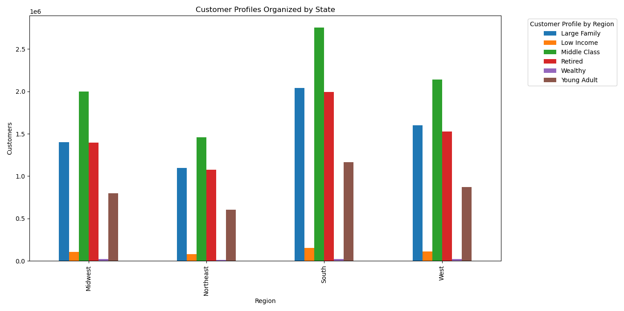


The largest customer base is in the south.

 |  |  |  | Most orders are placed between 10 AM and 5 PM.




 | Random distribution between age and number of dependents.
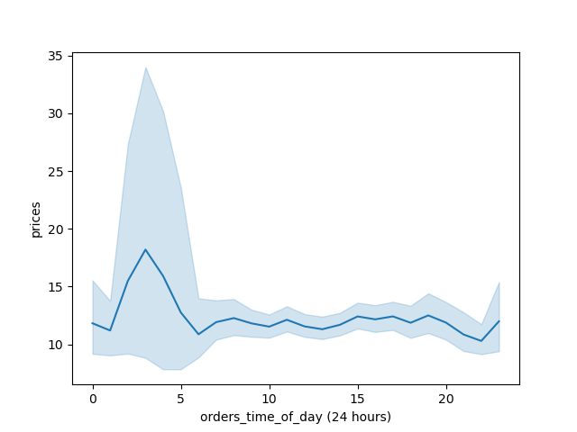

 |  |  |  | Prices tend towards the lower end, with the highest average being at the 8 and 12 price points.

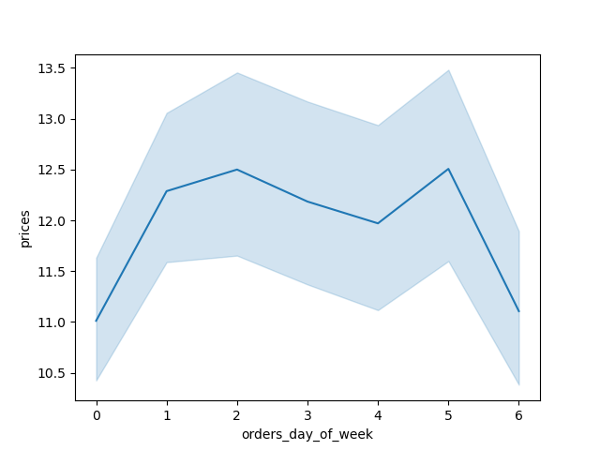

 | The time that has the orders with the priciest items are at 4 PM.

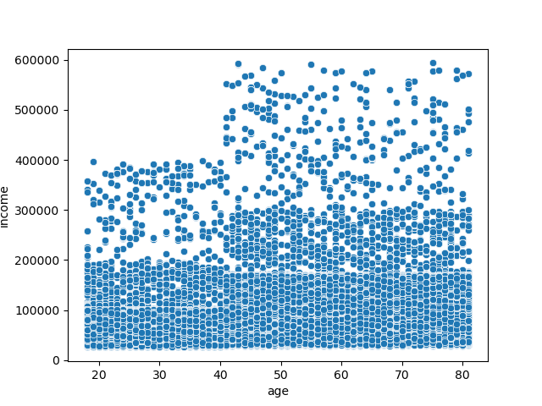
 |  |  |  | The orders with the pricest items are placed on Tuesday and Friday.

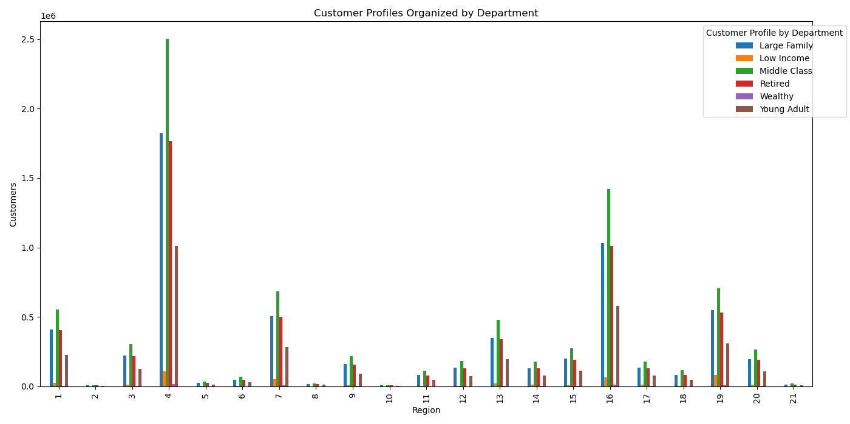

 |  | The distribution of income and age suggests that our retired customers are the wealthiest.

 |  |  |  |  | The departments that get purchased most frequently are departments 4 and 16, produce and dairy eggs respectively.

7. Recommendations
 |  |  | Title page

Recommendations

In this tab you should include any recommendations you would made to Instcart in terms of their marketing strategy based on the questions posed in the brief. Every key question has been covered in the Tasks of the Exercises - here you need to add an item - a visualisation or table/crosstable that is showing the answer in the data, acompanied by a comment from you. Please, list the questions below and add the answer underneath.

Question | Answer

The sales team needs to know what the busiest days of the week and hours of the day are (i.e., the days and times with the most orders) in order to schedule ads at times when there are fewer orders. | The busiest days are Sunday and Monday. Scheduling ads for Wednesday and Thursday would be best to capitalize on low order days. | 

They also want to know whether there are particular times of the day when people spend the most money, as this might inform the type of products they advertise at these times. | 4 PM is the busiest time. The rest of the day seems to be consistant, though 3 and 5 PM are elevated compared to the rest of the week.

Instacart has a lot of products with different price tags. Marketing and sales want to use simpler price range groupings to help direct their efforts. | Tag items in the 0-5, 5-10, 10-15, and above 15 dollar price range. Most items are under15 dollars. | 

Are there certain types of products that are more popular than others? The marketing | The departments that get purchased most frequently are departments 4 and 16, produce and dairy eggs respectively.
and sales teams want to know which departments have the highest frequency of
product orders.

